Cover
BB5 configurator (linked to SOP-532)

INSTRUCTIONS

0 | 2025-01-07 | First issue | Fabrizio Cademartori | QA/HSEM C.Delli Quadri - M.Tremolada | R&D Manager / M.Borghetti
Rev. | Date | Description | Prepared | Checked | Approved
Mod.524-0

BB5
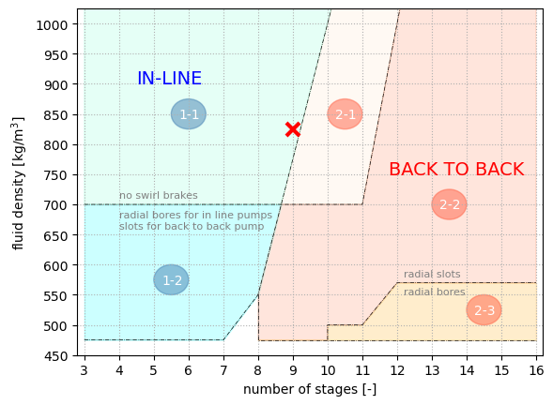
BB5 configuration
n [-] | 9 |  | (n° of stages)
ρ [kg/m3] | 825 |  | (fluid density)
BB5 zone | 1-1 | in-line pump without swirl brakes

Legend
input data
descriptor
calculated
annotation

INSTRUCTIONS
1) Define the number of stages.
2) Define the fluid density.
3) Calculate the BB5 configuration.

